Detailed Inquiry Information
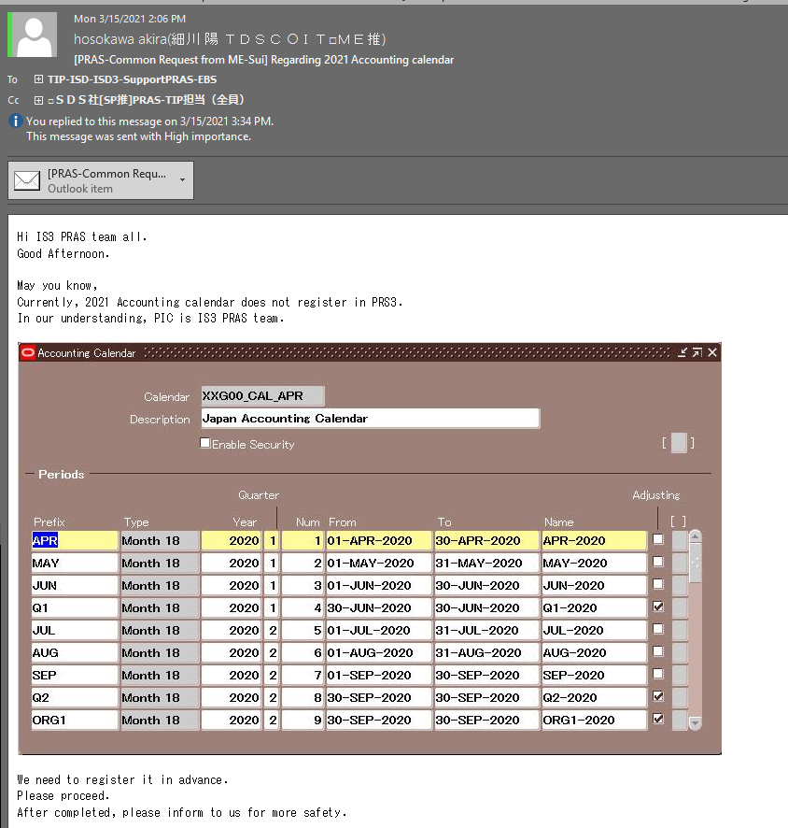
Detailed Inquiry Information

Detailed Investigation Result
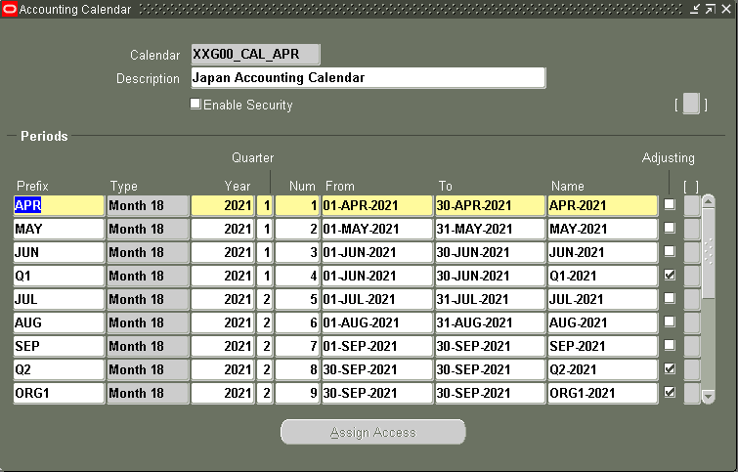
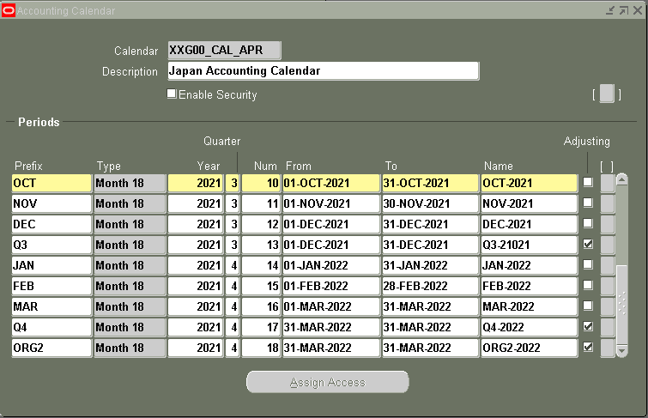
Detailed Investigation Result

 | Prefix | Type | Year | Quarter | Num | From | To | Name | Adjusting | [ ]
 | APR | Month 18 | 2021 | 1 | 1 | 01-APR-2022 | 30-APR-2022 | APR-2021
 | MAY | Month 18 | 2021 | 1 | 2 | 01-MAY-2021 | 31-MAY-2021 | MAY-2021
 | JUN | Month 18 | 2021 | 1 | 3 | 01-JUN-2021 | 30-JUN-2021 | JUN-2021
 | Q1 | Month 18 | 2021 | 1 | 4 | 30-JUN-2021 | 30-JUN-2021 | Q1-2021 | *
 | JUL | Month 18 | 2021 | 2 | 5 | 01-JUL-2021 | 31-JUL-2021 | JUL-2021
 | AUG | Month 18 | 2021 | 2 | 6 | 01-AUG-2021 | 31-AUG-2021 | AUG-2021
 | SEP | Month 18 | 2021 | 2 | 7 | 01-SEP-2021 | 30-SEP-2021 | SEP-2021
 | Q2 | Month 18 | 2021 | 2 | 8 | 30-SEP-2021 | 30-SEP-2021 | Q2-2021 | *
 | ORG1 | Month 18 | 2021 | 2 | 9 | 30-SEP-2021 | 30-SEP-2021 | ORG1-2021 | *
 | OCT | Month 18 | 2021 | 3 | 10 | 01-OCT-2021 | 31-OCT-2021 | OCT-2021
 | NOV | Month 18 | 2021 | 3 | 11 | 01-NOV-2021 | 30-NOV-2021 | NOV-2021
 | DEC | Month 18 | 2021 | 3 | 12 | 01-DEC-2021 | 31-DEC-2021 | DEC-2021
 | Q3 | Month 18 | 2021 | 3 | 13 | 31-DEC-2021 | 31-DEC-2021 | Q3-2021 | *
 | JAN | Month 18 | 2021 | 4 | 14 | 01-JAN-2022 | 31-JAN-2022 | JAN-2022
 | FEB | Month 18 | 2021 | 4 | 15 | 01-FEB-2022 | 28-FEB-2022 | FEB-2022
 | MAR | Month 18 | 2021 | 4 | 16 | 01-MAR-2022 | 31-MAR-2022 | MAR-2022
 | Q4 | Month 18 | 2021 | 4 | 17 | 31-MAR-2022 | 31-MAR-2022 | Q4-2022 | *
 | ORG2 | Month 18 | 2021 | 4 | 18 | 31-MAR-2022 | 31-MAR-2022 | ORG2-2022 | *

Actual Operation Evidence
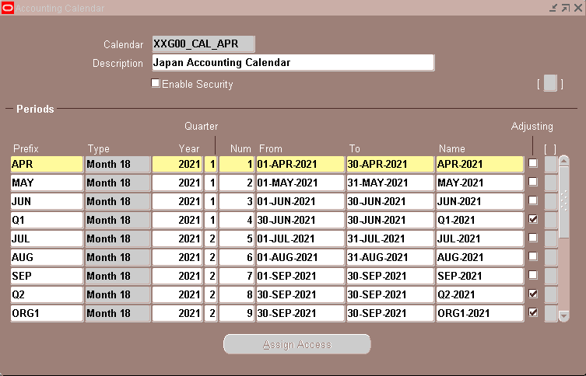
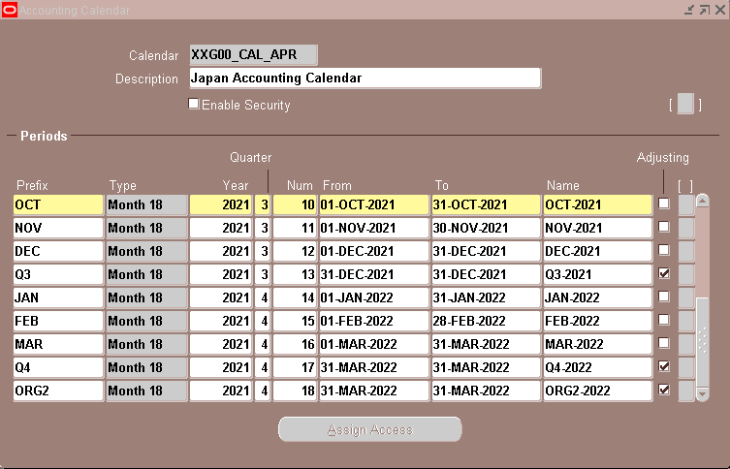
Actual Operation Evidence

Helpdesk Request
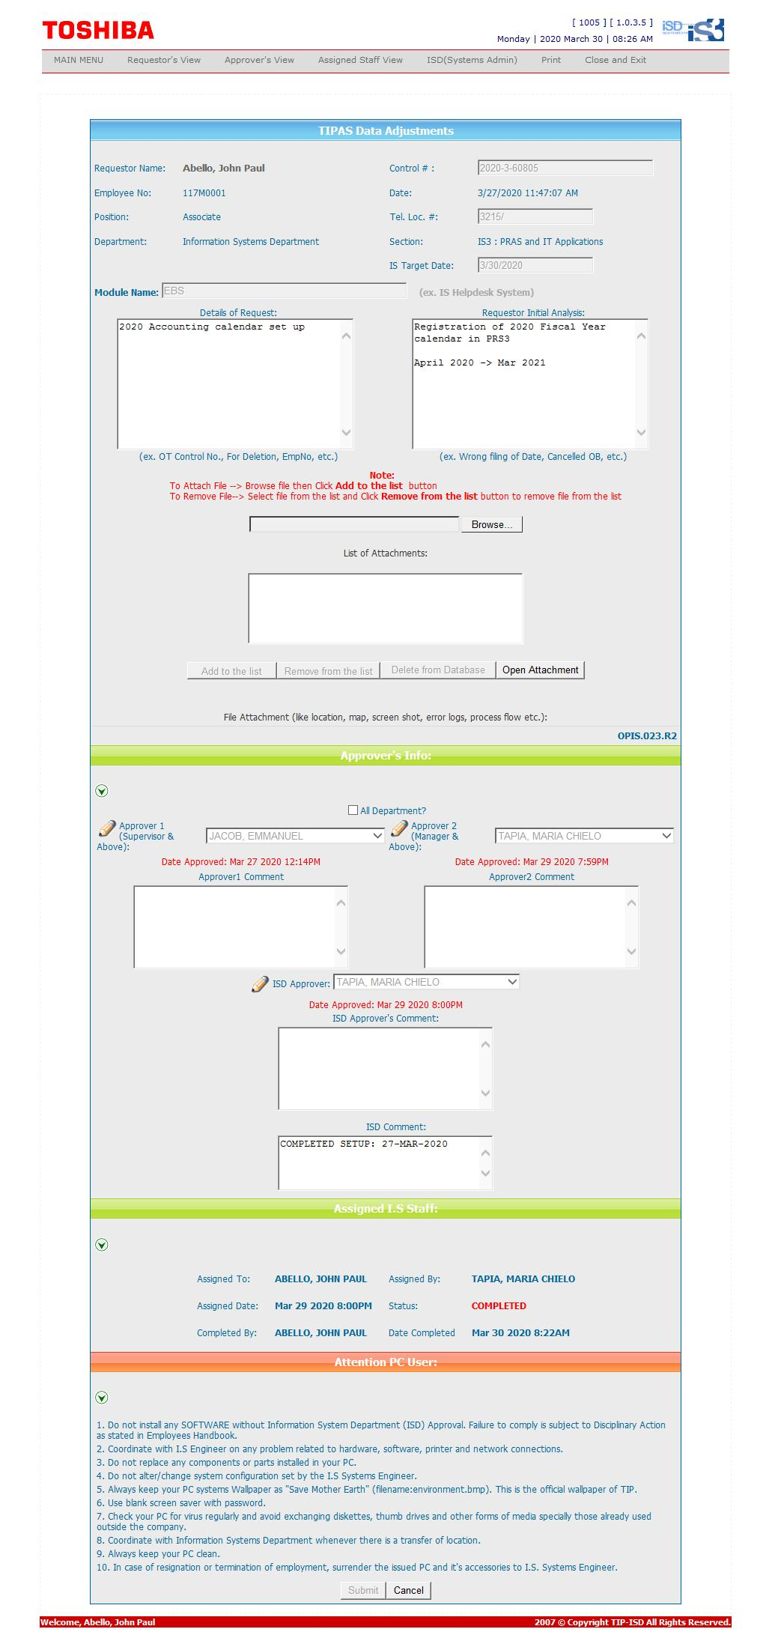
Helpdesk Request

